right angle to flange
 | Design a connection for a bracket using M20 bolt and property class 4.6 to carry a factored vertical load of 200KN acting at 300 mm from the face of the column. The grade of the steel is E250 (the thickness of the bracket, t = 12 mm) and the bracket is connected by 2 angles of angle 100*100 *10.

Solution:
 | P | 200 | KN
 | e1 | 300 | mm
 | e2 | 240 | mm
 | ultimate strength of bolt (fub) | 400 | MPa
 | dia of bolt | 20 | mm
 | dia of hole | 22 | mm
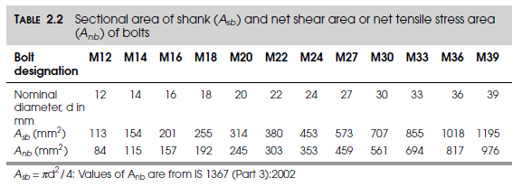
 | γm0 | 1.25
 | γm1 | 1.1
 | fu | 410 | MPa
 | thickness of angle | 10 | mm

 | The moment due to eccentricity,
 | M = Pe | 60 | KNm

 | Yeild strength of bolt (fyb) | 240 | MPa

 | Design of bolt "A"

 | Bolts A are subjected to single shear and the assuming shear plane lies in the shank of bolts

 | For 20 mm bolt, Asb | 314.2 | mm2
 | Anb | 245 | mm2
 | Vnsb = Anb*(fub/√3) | 72.5 | KN

 | Vdsb = Vnsb/γm0 | 58.0 | KN

 | Tension capacity
 | Tdbg = fyb*Asb/γm0 | 68.55 | KN

 | Tdbn = 0.9*fub*Anb/γmb | 70.56 | KN

 | Therefore Tdb = | 68.55 | KN

 | Assumed. Pitch of bolt(p) | 60 | mm
 | edge distance | 40 | mm
 | number of vertical lines of bolt (m) | 2

 | Therefore number of bolts will be n = (6M/mpVdsb)^0.5 | 6.62
 | Round of bolts (n) | 7

 | The total number of bolts in both the planes (N) | 14

 | Therefore the depth of bracket is h | 440 | mm
 |  |  |  |  | kl
 | the neutral axis will be at h/7 from the bottom of bracket | 62.86
 | round of neutral axis | 63

 | y1 | 37 | mm
 | y2 | 97 | mm
 | y3 | 157 | mm
 | y4 | 217 | mm
 | y5 | 277 | mm
 | y6 | 337 | mm

 | Σy2 | 545628

 | Tension in bolt, Tb = P*e*yn/Σy2 | 37.06 | KN

 | Shear force in each bolt, Vsb = P/N | 14.29 | KN

 | check for interaction equation, (Vsb/Vdb)2+(Tb/Tdb)2< 1 | 0.35

 | Therefore the above equation satifies but it is much less than 1. There is a scope of reducing the number of bolts.

 | Assume reduced bolts are | 12

 | Therefore, h will be | 380

 | the neutral axis, h/7 | 54
 | round off neutral axis | 54

 | y1 | 46 | mm
 | y2 | 106 | mm
 | y3 | 166 | mm
 | y4 | 226 | mm
 | y5 | 286 | mm

 | Σy2 | 347560

 | Tension in bolt, Tb = P*e*yn/Σy2 | 49.37 | KN

 | Shear force in each bolt, Vsb = P/N | 16.67 | KN

 | check for interaction equation, (Vsb/Vdb)2+(Tb/Tdb)2< 1 | 0.60

 | Check for bearing

 | kb is least of
 | e/3do | 0.61
 | P/3do-0.25 | 0.66
 | fub/fu | 0.98
 | 1 | 1.00

 | Therefore, kb = | 0.61

 | Vnpb = 2.5*kb*d*t*fu | 124.24 | KN

 | Vdpb = Vnpb/γm0 | 99.39 |  | > | 16.67 | Pass

 | Design of bolts ‘B’

 | These bolts are subjected to direct shear and twisting.
 | The twisting moment, M | 48 | KNm

 | As these bolts are in double shear
 | Vdsb = 2*Vdsb1 | 116.02

 | Since there is only one vertical line of bolts, m = | 1.00

 | therefore, number of bolt will be n=(6M/mpVdsb)^0.5 | 6.43
 | Round of bolts | 7.00

 | Σr2 | 100800 | mm2

 | V1x = M*r/Σr2 | 85.71 | KN

 | V1y = P/n | 28.57

 | V1 = (V1x2+V1y2)0.5 | 90.35 | < | 116.02

Plate girder
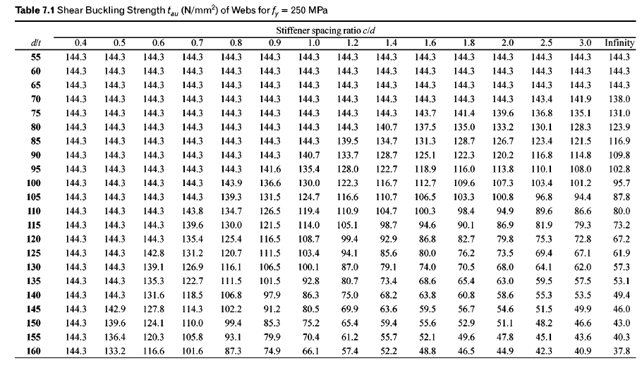
Q1 | The plate girder is required to carry a factored shear of 2800 kN for d 1500 mm and tw 15mm. (a) Assuming that tension field action is not utilized in the design, determine whether intermediate stiffeners are necessary. Assume f, = 250 N-mm. b) How thick must the web be in order that this same load may be carried without the need for intermediate stiffeners?
 |  |  |  |  |  |  |  |  |  |  |  |  |  |  |  |  |  | 588
 |  |  |  |  |  |  |  |  |  |  |  |  |  |  |  |  |  |  | 35
 |  |  |  |  |  | From Table
 | c | c/d | d | t | d/t | d/t 1 | d/t 2 | tb 1 | tb2 | tb | Vn(KN)
1 | inf | inf | 1500 | 15 | 100 | 95 | 100 | 102.8 | 95.7 | 95.7 | 2153.25
2 | 1500 | 1 | 1500 | 18 | 83.33 | 80 | 85 | 123.9 | 116.9 | 119.23 | 3219.3
Q2 | Design a welded plate girder for a simply supported bridge deck beam with clear span of 20 m, subjected to the following: Dead load including self weight = 20 kN/m Imposed load = 10 kN/m Moving loads = 450 kN |  |  |  |  |  |  |  |  |  |  |  |  |  |  | 1200 | 12

 | if d/tw =67 tmin is 19.4mm section is plastic compact section and can be consider as rolled section
 | L m | DL | IL | Fac. UDL | BM UDL | SF UDL | Ra | BM Ra | SF Ra | Max. BM | Max. SF
1 | 25 | 20 | 20 | 60 | 4687.5 | 750 | 450 | 2812.5 | 450 | 7500 | 1200
1 | 25 | 20 | 20 | 60 | 4687.5 | 750 | 450 | 2812.5 | 450 | 7500 | 1200
2 | 25 | 20 | 20 | 60 | 4687.5 | 750 | 450 | 2812.5 | 450 | 7500 | 1200 |  |  |  |  |  |  | 588
3 | 25 | 20 | 20 | 60 | 4687.5 | 750 | 450 | 2812.5 | 450 | 7500 | 1200
4 | 25 | 20 | 20 | 60 | 4687.5 | 750 | 450 | 2812.5 | 450 | 7500 | 1200
5 | 25 | 20 | 20 | 60 | 4687.5 | 750 | 450 | 2812.5 | 450 | 7500 | 1200
6 | 25 | 20 | 20 | 60 | 4687.5 | 750 | 450 | 2812.5 | 450 | 7500 | 1200 |  |  |  |  |  |  |  |  |  | 3240000
7 | 25 | 20 | 20 | 60 | 4687.5 | 750 | 450 | 2812.5 | 450 | 7500 | 1200 |  |  |  |  |  |  |  |  |  | 140.76019291
8 | 25 | 20 | 20 | 60 | 4687.5 | 750 | 450 | 2812.5 | 450 | 7500 | 1200

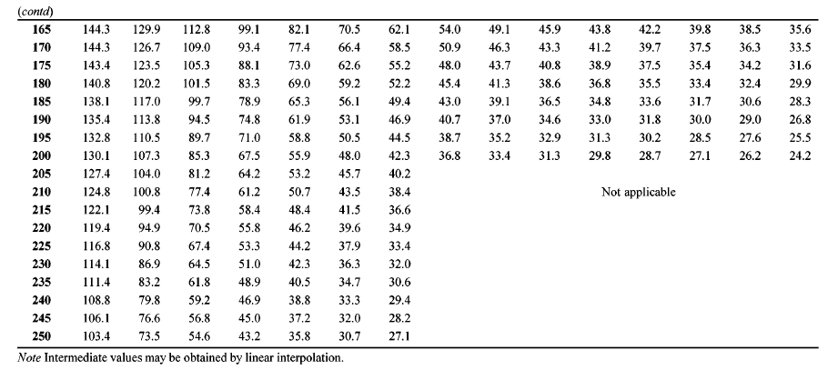
 | opt. depth of girder | opt. tw | d | tw | d/tw | Zp | Md | af | b/tf | b | tf | b/tf | af/tf | assume B | c/d | tb | Vn | c | I | I/y/2
1 | 1628.13 | 9.53 | 1600.00 | 9.00 | 177.78 | 25610797.50 | 5820.64 | 20625.00 | 8.40 | 235.50 | 30.00 | 7.85 | 687.50 | 480.00 | 12.50 | 144.30 | 2077.92 | 20000.00 | 11447517000.00 | 14309396.25
1 | 1628.13 | 9.53 | 1400.00 | 14.00 | 100.00 | 13382764.76 | 3041.54 | 23571.43 | 8.40 | 233.00 | 30.00 | 7.77 | 785.71 | 480.00 | 17.86 | 95.70 | 1875.72 | 20000.00 | 9367935333.33 | 13382764.76
2 | 1628.13 | 9.53 | 1700.00 | 15.00 | 113.33 | 18422817.65 | 4187.00 | 19411.76 | 8.40 | 242.50 | 30.00 | 8.08 | 647.06 | 500.00 | 14.29 | 49.40 | 1259.70 | 24293.00 | 15659395000.00 | 18422817.65
2 | 1628.13 | 9.53 | 1650.00 | 16.00 | 103.13 | 17567912.73 | 3992.71 | 20000.00 | 8.40 | 232.00 | 30.00 | 7.73 | 666.67 | 480.00 | 1.40 | 68.20 | 1800.48 | 2310.00 | 14493528000.00 | 17567912.73
3 | 1628.13 | 9.53 | 1400.00 | 8.00 | 175.00 | 11784796.19 | 2678.36 | 23571.43 | 8.40 | 236.00 | 30.00 | 7.87 | 785.71 | 480.00 | 1.40 | 43.70 | 489.44 | 1960.00 | 8249357333.33 | 11784796.19
3 | 1628.13 | 9.53 | 1400.00 | 8.00 | 175.00 | 11784796.19 | 2678.36 | 23571.43 | 8.40 | 236.00 | 30.00 | 7.87 | 785.71 | 480.00 | 0.70 | 88.10 | 986.72 | 980.00 | 8249357333.33 | 11784796.19

in plane 1
 | Determine the safe load P that can be carried by the joint shown in Fig. The bolts used are 20 mm diameter of grade 4.6. The thickness of the flange of I-section is 9.1 mm and that of bracket plate 10 mm. For Fe410 steel : fu = 410 Mpa For bolts bolts of grade 4.6: fub = 400 MPa Partial safety factor for the material of bolt: γmb = 1.25 Anb = stress area of 20 mm diameter bolt = 245 mm2

 |  |  |  |  |  |  | Pex/R2 | Pey/r2

 |  |  |  | x | y | R2 | sx | sy | sy1 |  | x | Y | R2 | sx | sy
 |  |  |  | -60 | 160 | 29200 | 0.19024390244 | -0.17134146341 | -0.1 | 0.25602859118 | 60 | 160 | 29200 | 0.19024390244 | -0.028658536585 | -0.1 | 0.19239036913
 |  |  |  | -60 | 80 | 10000 | 0.09512195122 | -0.17134146341 | -0.1 | 0.1959746991 | 60 | 80 | 10000 | 0.09512195122 | -0.028658536585 | -0.1 | 0.099345343741
 |  |  |  | -60 | 0 | 3600 | 0 | -0.17134146341 | -0.1 | 0.17134146341 | 60 | 0 | 3600 | 0 | -0.028658536585 | -0.1 | 0.028658536585
Solution: |  |  |  | -60 | -80 | 10000 | -0.09512195122 | -0.17134146341 | -0.1 | 0.1959746991 | 60 | -80 | 10000 | -0.09512195122 | -0.028658536585 | -0.1 | 0.099345343741
 | Given |  |  | -60 | -160 | 29200 | -0.19024390244 | -0.17134146341 | -0.1 | 0.25602859118 | 60 | -160 | 29200 | -0.19024390244 | -0.028658536585 | -0.1 | 0.19239036913
 | Dia of bolt (d) | 20 | mm |  |  | 82000 |  |  |  |  |  |  | 82000
 | pitch (p) | 50 | mm |  | SUM r2 | 164000
 | edge distance (e) | 40 | mm
 | eccentricity (e0) | 195 | mm |  |  | 176.79377485
 | fu | 410 | MPa
 | fub | 400 | MPa |  |  | 112.24724639
 | γmb | 1.25
 | dia of hole (do) | 22 | mm |  |  | 0.40325498006
 | t | 9.1 | mm |  |  | 112.24724639
 | Anb | 245 | mm2
 |  |  |  | x | y | R2 | sx | sy | sy1
 | Strength of the bolt in single shear |  |  | -60 | 160 | 29200 | -0.071341463415 | 0.19024390244 |  | 0.20318057687 | 0.35112344159
 |  |  |  | -60 | 80 | 10000 | -0.071341463415 | 0.09512195122 |  | 0.11890243902
 | Vdsb = Anb * (fub/√3*γm0) | 45.264261104 | KN | -60 | 0 | 3600 | -0.071341463415 | 0 |  | 0.071341463415
 |  |  |  | -60 | -80 | 10000 | -0.071341463415 | -0.09512195122 |  | 0.11890243902
 | Strength of the bolt in bearing, |  |  | -60 | -160 | 29200 | -0.071341463415 | -0.19024390244 |  | 0.20318057687

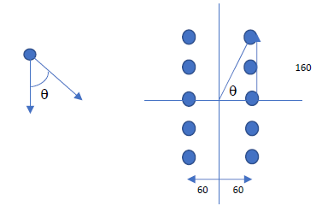
 | kb is least of
 | e/3do | 0.61
 | P/3do-0.25 | 0.76
 | fub/fu | 0.98
 | 1 | 1.00
 | Therefore, kb is | 0.61

 | Vdpb=2.5*kb*d*t*fu/γmb | 90.45 | KN

 | Therefore, strength of bolt is
 | Vsd | 45.26 | KN

 | Let P1 be the factored load
 | Service load is P = P1/1.5

 | The bolt which is stressed maximum is A.
 | Total number of bolts in the joint (n) | 10

 | The direct force, F1 = P1/n | P1/10
 | F1 interms of P1 | 0.10

 | The force in the bolt due to torque, F2=P1*e0*rn/Σr2

 | rn | 128.06 | mm

 | Σr2 | 66000 | mm2

 | Cos θ | 0.125

 | F2 in terms of P1 | 0.37836

 | Equate resultant force of F1 and F2 with Vsd

 | P1 | 112.25 | KN

 | Therefore, P | 74.83 | KN

Web angle connection 11.4
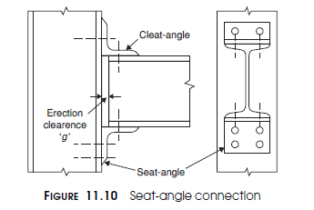
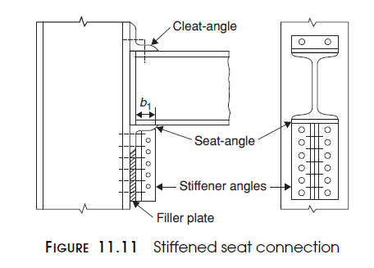
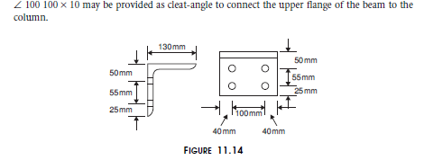
Design a seat-angle connection for a beam MB350 @ 52.4 kg/m which transfers a factored end shear of 200 kN to the flange of the column HB 300 @ 63 kg/m. Use M20 bolts of product Grade C and property class 4.6. fub = 400 Mpa
 |  |  |  |  | Dia. Of bolt | Hole dia | Asb | Anb
Step 1 | use 22mm bolt | fub | 400 |  | 12 | 13 | 113 | 84
Design of Bolt A in shear |  | fu | 410 | MPa | 14 | 15 | 154 | 115
 |  | ww | 1.25 |  | 16 | 18 | 201 | 157
The bolts are in single shear. As shoun in fig 11.10 |  | Dia. Of bolt | 20 | mm | 18 | 20 | 255 | 192
Vub = the nominal shear capacity of a bolt is |  | Dia. Of hole | 22 | mm | 20 | 22 | 314 | 245
 |  | Max. Pitch |  | mm | 22 | 24 | 380 | 303
 |  | Max. edge distance |  | mm | 24 | 26 | 453 | 353
 |  | Pitch provided | 55 | mm | 27 | 30 | 573 | 549
Vub = | 69.97 | Edge provided | 25 | mm
 |  | Load | 200 | KN
Vdsb = | 55.98

Design of Bolt A in bearing
Kb |  | 0.38
1 | 0.38
2 | 0.66
3 | 0.98
4 | 1

∠ 130 130 × 16 may be used as seat-angle as in Example 10.5. The thickness of the fl ange of the column HB300 @ 63 kg/m = 10.6 mm The bolts connecting the seat-angle to the column are in single shear |  | 10.6 | mm

Vnpb = 2.5kb dtfu | 80.30 | KN

Vdpb = | 64.24 | KN

The design strength of the bolt, Vdb = |  | 55.98 | KN

Number of bolt required = | 3.57 | bolt
say bolt provided | 4 | bolt

Web angle connection 11.3
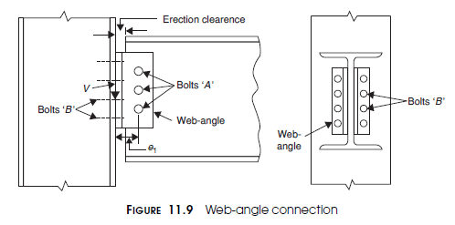
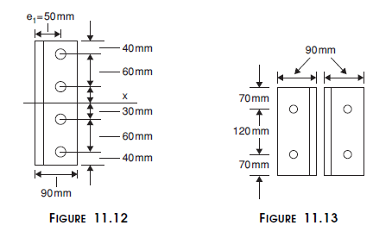
Design a web-angle connection for a beam MB350 @ 52.4 kg/m which transfers a factored end shear of 200 kN to the flange of the column HB 300 @ 63 kg/m. Use M20 bolts of product Grade C and property class 5.6. fub = 500 Mpa
 |  |  |  |  | Dia. Of bolt | Hole dia | Asb | Anb
Step 1 |  | fub | 500 |  | 12 | 13 | 113 | 84
Design of Bolt A in shear |  | fu | 410 | MPa | 14 | 15 | 154 | 115
 |  | γmb | 1.25 |  | 16 | 18 | 201 | 157
The bolts are in double shear. As shoun in fig 11.9 |  | Dia. Of bolt | 20 | mm | 18 | 20 | 255 | 192
Vub = the nominal shear capacity of a bolt is |  | Dia. Of hole | 22 | mm | 20 | 22 | 314 | 245
 |  | Max. Pitch |  | mm | 22 | 24 | 380 | 303
 |  | Max. edge distance |  | mm | 24 | 26 | 453 | 353 | 89
 |  | Pitch provided | 60 | mm | 27 | 30 | 573 | 549
Vub = | 141.45 | Edge provided | 45 | mm
 |  | Load | 190 | KN
Vdsb = | 113.16

Design of Bolt A in bearing
Kb |  | 0.66
1 | 0.68
2 | 0.66
3 | 1.22
4 | 1

The thickness of the web of the beam = mm |  | 9.4

Vnpb = 2.5kb dtfu | 154.89 | KN

Vdpb = | 123.91 | KN

The design strength of the bolt, Vdb = |  | 113.16 | KN

 |  | e1 = | 50 | mm | From bolt arrengnemt
 |  | gauge = | 90 | mm
Using 2 ∠ 90 90 × 8, e1 = 50 mm (gauge for 90 mm leg, Appendix A) The twisting moment, M = 200 × 50/1,000 = 10 kNm For a single vertical line of bolts, m = 1
 | Twisting Moment = | 10 | KN
number of bolt

 | 2.9727081788 | bolt
4 bolt may be provided in single line |  | 4

Four bolts may be provided as shown in Figure 11.12.

ri^2 = | 18000 | mm2
from fig. 11.12

twisting force in single bolt is = | 47.5 | KN

force in bolt due to direct shaer = | 47.5 | KN

combined effict of twisting and direct shear | 67.18 | < | 113.16 | ok

Step 2
Design of Bolt B | Us 22mm bolt

These bolts are in single shear.

Vub = | 87.47 | KN

Vdsb = | 69.97 | KN

Number of bolt = | 2.72 | bolt
say bolt provided | 3 | bolt

Four bolts are provided, 2 in each leg of angle as shown in Figure 11.13.

edge provided | 70 | mm
pitch provided | 120 | mm
Kb = |  | 1.00
 | 1.06
 | 1.57
 | 1.22
 | 1

thickness of plate | 9.9 | mm
Vnpb = | 202.95 | KN

Vdpb = | 162.36 | KN | > | 69.97 | OK
Bolt value | 69.97 | KN

 | 209.92 | KN | > | 200 | Not OK

